T0001
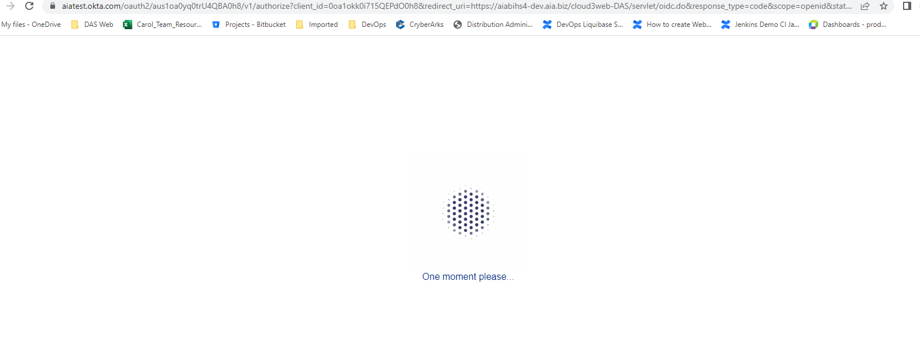
T0001 | Okta Login Success

